API Mthly Graphs 1
Sales to Gross Profit Ratio
Wages to Sales

Net Profit to Sales
Average Markup %

Working vs Fixed Capital
 | Working Capital | Fixed Capital | Working Capital %
Quick Ratio & Days Cover
 | Quick Ratio | Trading Days Cover

Debt Ratio - Assets vs Liabilities
 | Liabilities | Assets | Debt %
Debt as % of Equity
 | Total Debt | Shareholders Equity

Gross Sales Margin
Sales vs Deposits (Lag)

Quarterly Performance Comparson
Cash Volatility Against Sales Costs & Wages

Cash Volatility Against Wages, Sales & Operational Costs

API Yrly Graphs 1
Return on Equity
 | Shareholders Equity | Return %
Sales to Net Profit
 | Net Profit | Sales
Liabilities vs Assets
 | Liabilities | Assets

Average Markup %
Working vs Fixed Capital
Wages to Sales Yearly Trend
 |  |  | as a %

Total Debt to Equity Yrly Trend
Gross Sales Profit
Stock Turn P.A
 | Stock Turn PA

12mth Cash Movement Summary

Return on Total Assets
 | Stock Turn PA

Current Ratio
Liability Structure Ratio
Gross Profit Ratio

Drag n Drop Dashboard
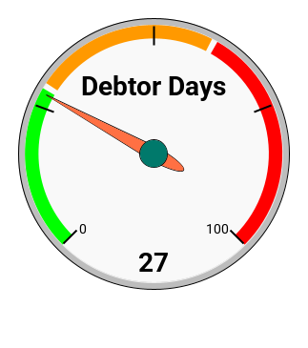
Financial Performance as at (type date here)
Cash Movement Summary
Wages to Sales Yearly Trend
 |  |  | as a %

Gross Sales Margin
Division Wages %

Benchmarks Dashboard
Quick Ratio & Days Cover
 | Quick Ratio | Trading Days Cover
Wages to Sales Yearly Trend
 |  |  | as a %
Stock Turn P.A
 | Stock Turn PA

Return on Equity
 | Shareholders Equity | Return %
Return on Total Assets
 | Return on Total Assets
Gross Profit Ratio

Current Ratio
Liability Structure Ratio
Total Debt to Equity Yrly Trend

Tax Guestimator
Please Note: This Tax 'Guestimator' can not be considered tax advice and is indicative only of the amounts of tax you should be putting aside in order to meet your tax obligations as they fall due. Your actual tax position will include past tax obligations (if applicable) and will be communicated to your formally by your accountant, post completion of your finalised accounts.
12mth Cash Movement & Tax Summary

 | Opening Tax Liability | $0

 | GST Tax Rate | 15.00% |  | Company Tax Rate |  | 28.00% |  | Provisional Adjustment For Next Year |  |  | 5.00% | (Std Method)
 |  |  |  |  |  |  |  |  |  |  |  |  |  |  | Totals
 |  | Mar-20 | Apr-20 | May-20 | Jun-20 | Jul-20 | Aug-20 | Sep-20 | Oct-20 | Nov-20 | Dec-20 | Jan-21 | Feb-21
 | Trading Income | $45,781 | $65,981 | $58,691 | $74,851 | $65,981 | $84,951 | $75,861 | $95,841 | $84,621 | $75,961 | $36,571 | $85,741 |  | $850,832 |  |  |  |  |  |  |  |  | Trading Income | $850,832

 | Total Cost of Sales | $2,031 | $2,724 | $2,184 | $2,338 | $2,446 | $3,133 | $2,345 | $3,052 | $2,221 | $3,007 | $2,401 | $3,087 |  | $30,969 |  |  |  |  |  |  |  |  | Total Cost of Sales | $30,969
 | Total Operating Expenses | $8,500 | $8,500 | $8,500 | $8,500 | $8,500 | $8,500 | $8,500 | $8,500 | $8,500 | $8,500 | $8,500 | $8,500 |  | $102,000 |  |  |  |  |  |  |  |  | Total Operating Expenses | $102,000

 | Goods Sales Tax Collected | $5,971 | $8,606 | $7,655 | $9,763 | $8,606 | $11,081 | $9,895 | $12,501 | $11,038 | $9,908 | $4,770 | $11,184 |  | $110,978 |  |  |  |  |  |  |  |  | Goods Sales Tax Collected | $110,978

 | Goods Sales Tax Expended | $1,211 | $1,301 | $1,231 | $1,185 | $1,265 | $1,224 | $1,252 | $1,344 | $1,261 | $1,338 | $1,298 | $1,348 |  | $15,257 |  |  |  |  |  |  |  |  | Goods Sales Tax Expended | $15,257

 | Net Goods Sales Tax Position | $4,761 | $7,305 | $6,425 | $8,578 | $7,342 | $9,857 | $8,643 | $11,157 | $9,776 | $8,570 | $3,472 | $9,835 |  | $95,721 |  |  |  |  |  |  |  |  | Net Goods Sales Tax Position | $95,721

 | Net Profit | $16,322 | $33,285 | $27,416 | $41,269 | $33,527 | $49,295 | $42,206 | $58,965 | $49,957 | $41,717 | $8,031 | $50,152 |  | $282,142 |  |  |  |  |  |  |  |  | Net Profit | $282,142

 | Company Tax | $4,570 | $9,320 | $7,676 | $11,555 | $9,388 | $13,802 | $11,818 | $16,510 | $13,988 | $11,681 | $2,249 | $14,043 |  | $126,600 |  |  |  |  |  |  |  |  | Company Tax | $126,600
 | Less Tax Payments Made |  |  |  | $13,000 |  |  |  | $38,000 |  |  |  | $0 |  | $51,000 |  |  |  |  |  |  |  |  | Less Tax Payments Made | $51,000
 | Rolling Tax Provision (req'd) | $4,570 | $13,890 | $21,566 | $20,122 | $29,509 | $43,312 | $55,129 | $33,640 | $47,628 | $59,308 | $61,557 | $75,600 |  | $75,600 |  |  |  |  |  |  |  |  | Rolling Tax Provision (req'd) | $75,600

 | Next Trading Year Tax Provisionals |  |  |  | $(11,420.01) |  |  |  | $(11,420.01) |  |  |  | $(11,420.01) |  | $(34,260)

 | (Husband/Wife Income Split) |  |  | Gross Annual Income (Shareholder Salaries) |  |  |  | Total net profit is reduced for next trading year provisionals by the amount equal to shareholder salaries
 | Bob | 75.00% |  |  | $170,000
 | Mary |  |  |  |  |  |  |  |  | (Last Year's Net Profit to Calculate Current Year Provisionals) |  |  |  |  | $45,374
 |  | Net Income | Personal Tax to Pay |  |  |  |  | (Last Year's Net Profit + adjustment - share salary to Calculate Current Year Provisionals) |  |  |  |  |  |  | $(122,357)

 | Bob | $94,505 |  | $32,995 |  | $127,500
 | Mary | $36,043 |  | $6,458 |  | $42,500 | $170,000

 |  |  |  | $39,453

Income Tax Calculator

 |  | State Taxes |  |  |  |  |  |  |  |  |  |  |  |  |  | Federal Taxes |  |  |  |  |  |  |  |  |  |  |  |  |  | Avg Tax Rate
 |  |  |  |  |  |  |  |  |  |  |  |  |  |  |  |  |  |  |  |  |  |  |  |  |  |  |  |  |  | 30.22%
 |  | Band 1 | $1 | $14,000 |  | 10.50% |  | $1,470 | $5,950 | $6,600 | $18,975 | $- | $32,995 |  |  | Band 1 | $1 | $18,200 | 0.00% |  | $- | $- | $- | $- | $- | $-
 |  | Band 2 | $14,001 | $48,000 |  | 17.50% | Custm 1 | band 1 | band 2 | band 3 | band 4 | band 5 |  | $94,505 |  | Band 2 | $18,201 | $45,000 | 0.00% | Custm 1 | band 1 | band 2 | band 3 | band 4 | band 5 |  | $94,505 |  | $94,505
 |  | Band 3 | $48,001 | $70,000 |  | 30.00% |  | $14,000 | $34,000 | $22,000 | $57,500 | $- | $127,500 |  |  | Band 3 | $45,001 | $120,000 | 0.00% |  | $18,200 | $26,800 | $49,505 | $- | $- | $94,505 |  | $32,995 | Income Net of State & Federal Taxes
 |  | Band 4 | $70,001 | $180,000 |  | 33.00% |  |  |  |  |  |  |  |  |  | Band 4 | $120,001 | $180,000 | 0.00% |  |  |  |  |  |  |  |  | Combined Taxes |  | $130,548
 |  | Band 5 | $180,001 |  |  | 39.00% |  | $1,470 | $4,988 | $- | $- | $- | $6,458 |  |  | Band 5 | $180,001 |  | 0.00% |  | $- | $- | $- | $- | $- | $- |  | $6,458
 | Income Tax Split % |  |  |  |  |  | Custm 2 | band 1 | band 2 | band 3 | band 4 | band 5 |  | $36,043 |  |  |  |  |  | Custm 2 | band 1 | band 2 | band 3 | band 4 | band 5 |  | $36,043 |  | $36,043
 |  |  |  |  |  |  |  | $14,000 | $28,500 | $- | $- | $- | $42,500 |  |  |  |  |  |  |  | $18,200 | $17,843 | $- | $- | $- | $36,043
 | 75.00% | Bob | $127,500 |  |  |  |  |  |  |  |  |  |  |  |  | custm 1 | $94,505
 | 25.00% | Mary | $42,500 | $170,000 |  |  |  |  |  |  |  |  |  |  |  | custm 2 | $36,043 | $130,548 |  |  |  |  |  |  |  |  | $130,548 | $39,453 | Monthly | $10,879

 |  |  |  |  |  |  |  |  |  |  |  |  |  |  |  |  |  |  |  |  |  |  |  |  |  |  |  |  | Weekly | $2,511
 | Funds Withdrawn
 | $170,000

Manual Mthly Graphs
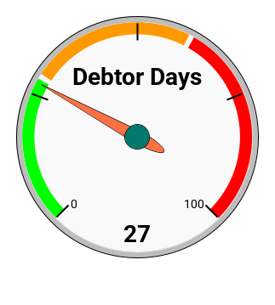
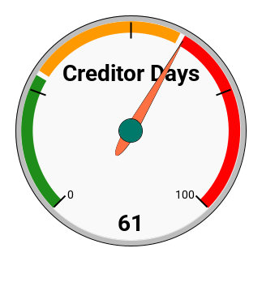
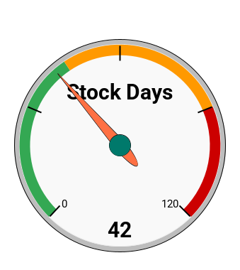
Division Wages %
Sales Mix %

Manual Yrly Graphs
5 Main Costs as of Sales
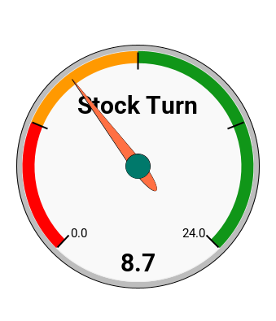
Sales Mix by Margin

Operating vs Admin & Finance

White Graphs
Financial Data Available As At 27/07/2020

Sales to Gross Profit Ratio
Wages to Sales

Wages to Sales
Average Markup %

Working vs Fixed Capital
 | Working Capital | Fixed Capital | Working Capital %
Quick Ratio & Days Cover
 | Quick Ratio | Trading Days Cover

Debt Ratio - Assets vs Liabilities
 | Liabilities | Assets | Debt %
Debt as % of Equity
 | Total Debt | Shareholders Equity

Return on Equity
 | Shareholders Equity | Return %
Sales to Net Profit
 | Net Profit | Sales
Liabilities vs Assets
 | Liabilities | Assets

Average Markup %
Working vs Fixed Capital
Wages to Sales Yearly Trend
 |  |  | as a %

Total Debt to Equity Yrly Trend

